SIEM
 |  |  |  | Score | Our Reference | Score | Our Reference | Score | Our Reference | Score | Our Reference
 | 0:Non-comply ; 1:Partially Comply; 2: Fully Comply
 | Killing Points
 | Vendor must ensure seamless integration
 | At least 3 similar deployment for the solution in similar environment
 | Bidder must have local support team to answer all the complaints, queries in addition to replace the CPEs if needed
 | Vendor must provide 3 years roadmap for the end-to-end solution
1 | Scope of Work |  | 12% | 0.0% |  | 0.0% |  | 0.0% |  | 0.0%
 | Provide an on-premise SD-WAN orchestrator hosted in MIC2 data centers | 1 |  | 0 |  | 0 |  | 0 |  | 0
 | Offer multi-tenant architecture | 2 |  | 0 |  | 0 |  | 0 |  | 0
 | Provide all needed licenses (or license models) for SD-WAN controller, CPEs, and analytics | 2 |  | 0 |  | 0 |  | 0 |  | 0
 | Deliver hardware and software (routers, cabling, switches, racks, etc..) | 2 |  | 0 |  | 0 |  | 0
 | Ensure support for: | 2 |  | 0 |  | 0 |  | 0
 | o Multi-WAN connectivity (MPLS, broadband, LTE/5G,..) to ensure reliable and flexible data transmission | 2 |  | 0 |  | 0 |  | 0
 | o SLA-based traffic routing | 2 |  | 0 |  | 0 |  | 0
 | o VPN, firewall, web filtering | 2 |  | 0 |  | 0 |  | 0
 | o Zero-touch provisioning | 2 |  | 0 |  | 0 |  | 0
 | o Multi-tenancy and customer self-service portal | 2 |  | 0 |  | 0 |  | 0
 | Provide centralized management and analytics dashboard for managing network policies, configurations, and monitoring | 2 |  | 0 |  | 0 |  | 0
 | Centralized management using a graphical interface | 2 |  | 0 |  | 0 |  | 0
 | Solution must support API interface | 2 |  | 0 |  | 0 |  | 0
 | Unified communications and voice support: Seamless integration and optimization for unified communication and voice applications directly on the SD-WAN routers | 2 |  | 0 |  | 0 |  | 0
 | Secure Web Gateway: Advanced web traffic filtering | 2 |  | 0 |  | 0 |  | 0
 | Firewall as a Service: Cloud-based firewall capabilities | 2 |  | 0 |  | 0 |  | 0
 | Intrusion Detection and Prevention (IDPS): comprehensive threat monitoring and protection | 2 |  | 0 |  | 0 |  | 0
 | Security IPS and URL filtering | 2 |  | 0 |  | 0 |  | 0
 | Support flexible application SLA (packet loss, jitter, latency,..) | 2 |  | 0 |  | 0 |  | 0
 | Application awareness with updated library of 3,000 + applications | 2 |  | 0 |  | 0 |  | 0
 | Application library should include both business applications (Salesforce, office 365, Teams, social media applications such as whatsapp, facebook,..) | 2 |  | 0 |  | 0 |  | 0
 | Traffic shaping: Capability to enable or disable traffic shaping | 2 |  | 0 |  | 0 |  | 0
 | Threat Prevention: Device should provide next generation firewall capabilities in order to secure and filter user traffic | 2 |  | 0 |  | 0 |  | 0
 | Support local and cloud sandbox analysis support | 2 |  | 0 |  | 0 |  | 0
 | Data Loss prevention features | 2 |  | 0 |  | 0 |  | 0
 | SSL Deep inspection that is hardware accelerated | 2 |  | 0 |  | 0 |  | 0
 | Antispam capabilities over SMTP, POP3 & IMAP without external solution | 2 |  | 0 |  | 0 |  | 0
 | IPS Detection capabilities : Signature based detection using real time updated database, at least 6,000 signatures | 2 |  | 0 |  | 0 |  | 0
 | IPS Detection capabilities :Anomaly based detection that is based on thresholds | 2 |  | 0 |  | 0 |  | 0
 | Application control | 2 |  | 0 |  | 0 |  | 0
 | Solution should be able to manage local same vendor access points to provide a full secure SD-WAN and access functions for the branch offices | 2 |  | 0 |  | 0 |  | 0
 | Solution should provide SSL VPN tunnel mode for different operating systems | 2 |  | 0 |  | 0 |  | 0
 | Proposed appliance shall support built-in 2 factor authentications services and database using tokens, email and SMS | 2 |  | 0 |  | 0 |  | 0
 | Support dynamic IPSEC VPN | 2 |  | 0 |  | 0 |  | 0
 | Solution should support IPSEC site-to-site VPN and remote user VPN in transparent mode | 2 |  | 0 |  | 0 |  | 0
 | Solution should provide IPV6 IPSEC | 2 |  | 0 |  | 0 |  | 0
 | Solution should provide web filtering content without external solution, devices, or hardware. | 2 |  | 0 |  | 0 |  | 0
 | Solution should be able to enable or disable Web filtering per firewall policy or based on firewall authenticated user groups for both HTTP and HTTPS traffic. | 2 |  | 0 |  | 0 |  | 0
 | Solution should be scalable to support connecting up to 10,000 CPE devices | 2 |  | 0 |  | 0 |  | 0
2 | Deployment Model |  | 9% | 0.0% |  | 0.0% |  | 0.0% |  | 0.0%
 | Redundant deployment | 2 |  | 0 |  | 0 |  | 0 |  | 0
 | Hardware requirements for orchestrator nodes | 2 |  | 0 |  | 0 |  | 0 |  | 0
 | Network Connectivity (redundant 10G interface,..) | 2 |  | 0 |  | 0 |  | 0 |  | 0
 | Security Requirements: hardening, access control, logs | 2 |  | 0 |  | 0 |  | 0 |  | 0
 | Backup and restore capabilities | 2 |  | 0 |  | 0 |  | 0 |  | 0
 | Support horizontal scaling (multi-controller clusters) to handle increasing customer demand without downtime | 2 |  | 0 |  | 0 |  | 0 |  | 0
 | Vendor should detail how new clusters can be added and synchronized without downtime | 2 |  | 0 |  | 0 |  | 0 |  | 0
 | High availability across two MIC2 data center sites | 2 |  | 0 |  | 0 |  | 0 |  | 0
 | Solution must support centralized configuration and policy deployment, and monitoring of all edge devices from the orchestrator | 2 |  | 0 |  | 0 |  | 0 |  | 0
 | Solution must support scheduled updates and automated provisioning workflows | 2 |  | 0 |  | 0 |  | 0 |  | 0
 | Diagrams of deployment architecture | 2 |  | 0 |  | 0 |  | 0 |  | 0
 | Redundancy and failover capabilities | 2 |  | 0 |  | 0 |  | 0 |  | 0
 | Resilient SD-WAN architecture: | 0 |  | 0 |  | 0 |  | 0 |  | 0
 | oBranches should keep running based on their current settings even if the central controller/ management console is unreachable or offline. | 2 |  | 0 |  | 0 |  | 0 |  | 0
 | oAbility to make configuration changes on individual SD-WAN branch sites if needed | 2 |  | 0 |  | 0 |  | 0 |  | 0
 | oCentralized controller status shouldn’t affect the SD-WAN infrastructure availability , routing, security and user data traffic | 2 |  | 0 |  | 0 |  | 0 |  | 0
 | oThe Management component should allow segregation of different Tenants with their respective devices with the ability of providing them with full access to manage their devices or read-only access in order to have detailed visibility. | 2 |  | 0 |  | 0 |  | 0 |  | 0
3 | Licensing Model |  | 5% | 0.0% |  | 0.0% |  | 0.0% |  | 0.0%
 | Price licenses per CPE, per throughput tier | 2 |  | 0 |  | 0 |  | 0 |  | 0
 | Perpetual model | 2 |  | 0 |  | 0 |  | 0 |  | 0
 | Include cost over 3 years (including support and maintenance) | 2 |  | 0 |  | 0 |  | 0 |  | 0
4 | CPE Requirements |  | 12% | 0.0% |  | 0.0% |  | 0.0% |  | 0.0%
 | Multiple CPE models (small, medium, high throughput) | 2 |  | 0 |  | 0 |  | 0 |  | 0
 | Indoor and ruggedized versions | 2 |  | 0 |  | 0 |  | 0 |  | 0
 | CPE technical specs (throughput, number of WAN ports, LTE failover support, Wi-Fi, etc,..) | 2 |  | 0 |  | 0 |  | 0 |  | 0
 | Support for Zero-Touch provisioning | 2 |  | 0 |  | 0 |  | 0 |  | 0
 | Should support (SIM slot and/or eSIM) | 2 |  | 0 |  | 0 |  | 0 |  | 0
 | Failover to LTE/5G via MIC2 sims | 2 |  | 0 |  | 0 |  | 0 |  | 0
 | APN provisioning | 2 |  | 0 |  | 0 |  | 0 |  | 0
 | 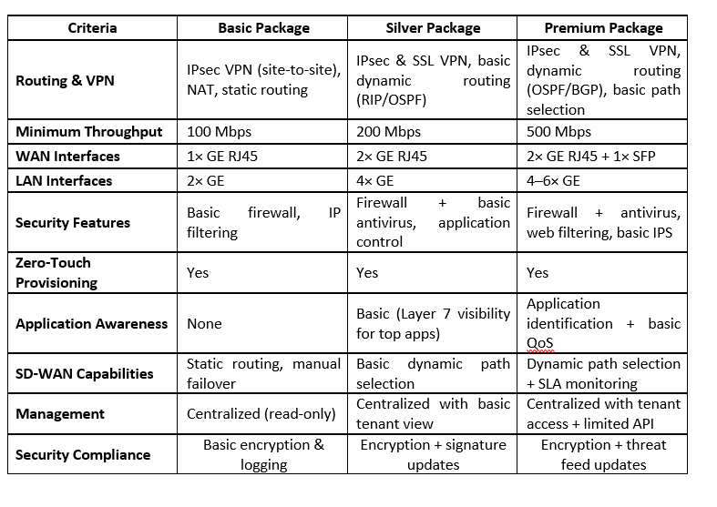
5 | Commercial Strategy/ Procurement PLAN |  | 7% | 0.0% |  | 0.0% |  | 0.0% |  | 0.0%
 | MIC2 is not committing to a bulk CPE purchase upfront. Vendors must offer a flexible procurement model allowing MIC2 to purchase CPEs progressively as customers are on-boarded – it will be back-to-back (after MIC2 gets order from the B2B customers it will put the order with the bidder and payment will be done accordingly) | 2 |  | 0 |  | 0 |  | 0 |  | 0
 | oPrice commitment over 3 years after PO issuance | 2 |  | 0 |  | 0 |  | 0 |  | 0
 | oStocking recommendation for startup phase | 2 |  | 0 |  | 0 |  | 0 |  | 0
 | oLead time estimates for each CPE type | 2 |  | 0 |  | 0 |  | 0 |  | 0
 | Packages recommendation and selling prices | 2 |  | 0 |  | 0 |  | 0 |  | 0
6 | Customer Segments and Use Cases |  | 7% | 0.0% |  | 0.0% |  | 0.0% |  | 0.0%
 | MIC2 intends to address various B2B segments including but not limited: | 2 |  | 0 |  | 0 |  | 0 |  | 0
 | oRetail: Branch connectivity with LTE failover | 2 |  | 0 |  | 0 |  | 0 |  | 0
 | oBanking: SLA-guaranteed app performance secure data routing | 2 |  | 0 |  | 0 |  | 0 |  | 0
 | oSMBs: Plug-and-play routers with bundled LTE | 2 |  | 0 |  | 0 |  | 0 |  | 0
...

