SDWAN
 |  |  |  |  | C1 | Comply
 | 0:Non-comply ; 1:Partially Comply; 2: Fully Comply |  |  |  | C2 | Partially Comply (Explain the Gap)
 | Killing Points | Compliancy | Reference | Remarks | C3 | Do not Comply (State Reason)
 | Vendor must ensure seamless integration
 | At least 3 similar deployment for the solution in similar environment
 | Bidder must have local support team to answer all the complaints, queries in addition to replace the CPEs if needed
 | Vendor must provide 3 years roadmap for the end-to-end solution
1 | Scope of Work
 | Provide an on-premise SD-WAN orchestrator hosted in MIC2 data centers
 | Offer multi-tenant architecture
 | Provide all needed licenses (or license models) for SD-WAN controller, CPEs, and analytics
 | Deliver hardware and software (routers, cabling, switches, racks, etc..)
 | Ensure support for:
 | o Multi-WAN connectivity (MPLS, broadband, LTE/5G,..) to ensure reliable and flexible data transmission
 | o SLA-based traffic routing
 | o VPN, firewall, web filtering
 | o Zero-touch provisioning
 | o Multi-tenancy and customer self-service portal
 | Provide centralized management and analytics dashboard for managing network policies, configurations, and monitoring
 | Centralized management using a graphical interface
 | Solution must support API interface
 | Unified communications and voice support: Seamless integration and optimization for unified communication and voice applications directly on the SD-WAN routers
 | Secure Web Gateway: Advanced web traffic filtering
 | Firewall as a Service: Cloud-based firewall capabilities
 | Intrusion Detection and Prevention (IDPS): comprehensive threat monitoring and protection
 | Security IPS and URL filtering
 | Support flexible application SLA (packet loss, jitter, latency,..)
 | Application awareness with updated library of 3,000 + applications
 | Application library should include both business applications (Salesforce, office 365, Teams, social media applications such as whatsapp, facebook,..)
 | Traffic shaping: Capability to enable or disable traffic shaping
 | Threat Prevention: Device should provide next generation firewall capabilities in order to secure and filter user traffic
 | Support local and cloud sandbox analysis support
 | Data Loss prevention features
 | SSL Deep inspection that is hardware accelerated
 | Antispam capabilities over SMTP, POP3 & IMAP without external solution
 | IPS Detection capabilities : Signature based detection using real time updated database, at least 6,000 signatures
 | IPS Detection capabilities :Anomaly based detection that is based on thresholds
 | Application control
 | Solution should be able to manage local same vendor access points to provide a full secure SD-WAN and access functions for the branch offices
 | Solution should provide SSL VPN tunnel mode for different operating systems
 | Proposed appliance shall support built-in 2 factor authentications services and database using tokens, email and SMS
 | Support dynamic IPSEC VPN
 | Solution should support IPSEC site-to-site VPN and remote user VPN in transparent mode
 | Solution should provide IPV6 IPSEC
 | Solution should provide web filtering content without external solution, devices, or hardware.
 | Solution should be able to enable or disable Web filtering per firewall policy or based on firewall authenticated user groups for both HTTP and HTTPS traffic.
 | Solution should be scalable to support connecting up to 10,000 CPE devices
2 | Deployment Model
 | Redundant deployment
 | Hardware requirements for orchestrator nodes
 | Network Connectivity (redundant 10G interface,..)
 | Security Requirements: hardening, access control, logs
 | Backup and restore capabilities
 | Support horizontal scaling (multi-controller clusters) to handle increasing customer demand without downtime
 | Vendor should detail how new clusters can be added and synchronized without downtime
 | High availability across two MIC2 data center sites
 | Solution must support centralized configuration and policy deployment, and monitoring of all edge devices from the orchestrator
 | Solution must support scheduled updates and automated provisioning workflows
 | Diagrams of deployment architecture
 | Redundancy and failover capabilities
 | Resilient SD-WAN architecture:
 | oBranches should keep running based on their current settings even if the central controller/ management console is unreachable or offline.
 | oAbility to make configuration changes on individual SD-WAN branch sites if needed
 | oCentralized controller status shouldn’t affect the SD-WAN infrastructure availability , routing, security and user data traffic
 | oThe Management component should allow segregation of different Tenants with their respective devices with the ability of providing them with full access to manage their devices or read-only access in order to have detailed visibility.
3 | Licensing Model
 | Price licenses per CPE, per throughput tier
 | Perpetual model
 | Include cost over 3 years (including support and maintenance)
4 | CPE Requirements
 | Multiple CPE models (small, medium, high throughput)
 | Indoor and ruggedized versions
 | CPE technical specs (throughput, number of WAN ports, LTE failover support, Wi-Fi, etc,..)
 | Support for Zero-Touch provisioning
 | Should support (SIM slot and/or eSIM)
 | Failover to LTE/5G via MIC2 sims
 | APN provisioning
 | 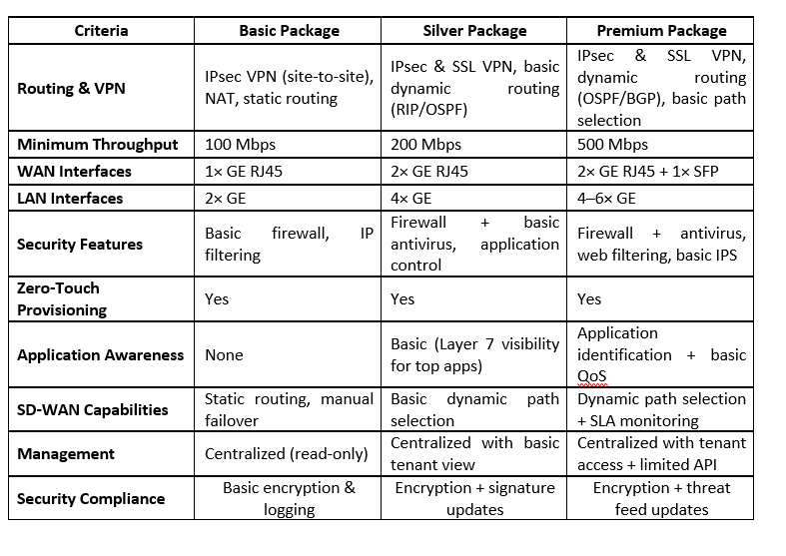
5 | Commercial Strategy/ Procurement PLAN
 | MIC2 is not committing to a bulk CPE purchase upfront. Vendors must offer a flexible procurement model allowing MIC2 to purchase CPEs progressively as customers are on-boarded – it will be back-to-back (after MIC2 gets order from the B2B customers it will put the order with the bidder and payment will be done accordingly)
 | oPrice commitment over 3 years after PO issuance
 | oStocking recommendation for startup phase
 | oLead time estimates for each CPE type
 | Packages recommendation and selling prices
6 | Customer Segments and Use Cases
 | MIC2 intends to address various B2B segments including but not limited:
 | oRetail: Branch connectivity with LTE failover
 | oBanking: SLA-guaranteed app performance secure data routing
 | oSMBs: Plug-and-play routers with bundled LTE
 | oEnterprises: Centralized management with API access
 | MIC2 will have the option to provide its customers with different packages.
 | oBasic Package: VPN IPSec
 | oSilver Package: Anti-Malware, ..
 | oPremium: Web filtering, IPS, Guaranteed SLA,
7 | Reporting and Analytics
 | Management and Monitoring: Solution must include a management and reporting module to support centralized management.
 | SD-WAN solution must easily connect new SD-WAN gateways and CPE devices to the monitoring system
 | Solution must allow configuration of monitoring parameters and set the threshold values
 | Monitoring and troubleshooting with Multi-Tenancy support.
 | Solution should include detailed logging, analytics, reporting device that parse and archive logs.
 | Scalable management solutions, which can scale to manage thousands of devices from a single console.
 | Visibility and Monitoring capabilities, Dashboard and Map view
 | Support Zero touch provisioning.
 | The proposed system shall provide high availability clustering features, enabling enhanced reliability.
 | Role-based dashboards for MIC2 and enterprise admins
...

